Instructions
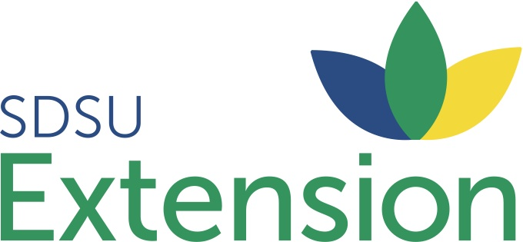

Instructions: To obtain accurate results for your operation, inputting current feed analysis of the feedstuffs being considered is highly recommended Current Beef NRC values have been included as a base ingredient composition for the feedstuffs listed.

Data that should be obtained to create reliable results:
 | *feed analysis
 | *freight charges per loaded mile
 | *distance to feedstuff supplier
 | *current feed prices at the preferred supplier

Corn and 44% Crude Protein (CP) Soybean Meal are the baseline energy and protein supplements in the calculator. Input their local price in the yellow boxes in the "Step 1-Feed Input Section". All boxes with BOLD BLUE NUMBERS can be replaced with data reflective of the operation. To evaluate a feedstuff not included in the spreadsheet, use the boxes labeled "OTHER". There is room for 6 additional feeds to be added for ration customization After all ingredients, prices, freight distance and nutrient composition have been updated, go to the "Step 2-Results" tab.

If you have questions regarding this spreadsheet please contact:
Heather Gessner, Livestock Business Management Field Specialist
 | 605-782-3292 or heather.gessner@sdstate.edu

For assistance balancing a least cost ration contact:
Adele Harty, SDSU Extension Cow-Calf Field Specialist |  | Warren Rusche, SDSU Extension Feedlot Specialist
 | 605-394-1722 or adele.harty@sdstate.edu |  | 605-688-5452 or warren.rusche@sdstate.edu
Taylor Grussing, SDSU Extension Cow-Calf Field Specialist |  | Ken Olson, SDSU Extension Beef Specialist
 | 605-995-7378 or taylor.geppert@sdstate.edu |  | 605-394-2236 or kenneth.olson@sdstate.edu
Robin Salverson, SDSU Extension Cow-Calf Field Specialist |  | Julie Walker, SDSU Extension Beef Specialist
 | 605-374-4177 or robin.salverson@sdstate.edu |  | 605-688-5458 or julie.walker@sdstate.edu

DISCLAIMER
The preceding is presented for informational purposes only. SDSU does not endorse the services, methods or products described herein, and makes no representations or warranties of and kind regarding them.

South Dakota State University, South Dakota counties, and U.S. Department of Agriculture cooperating. South Dakota State University is an Affirmative Action/Equal Opportunity Employer and offers all benefits, services, education, and employment opportunities without regard for race, color, creed, religion, national origin, ancestry, citizenship, age, gender, sexual orientation, disability, or Vietnam Era veteran status.

